Case #1
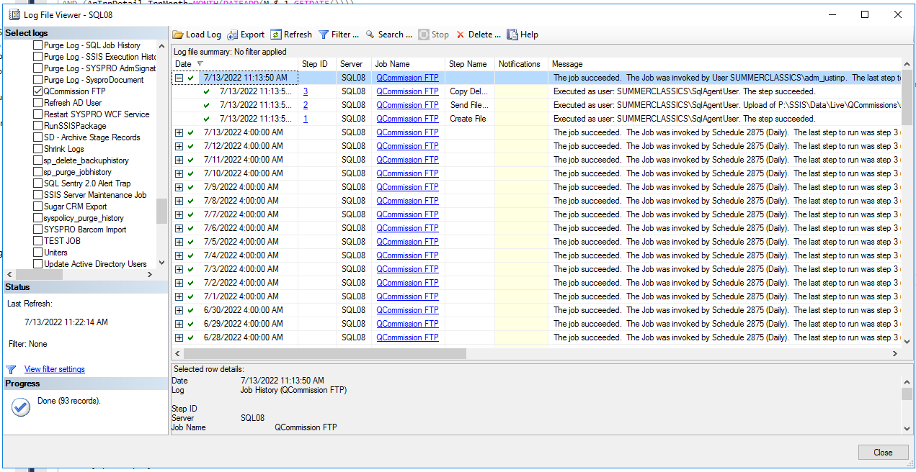
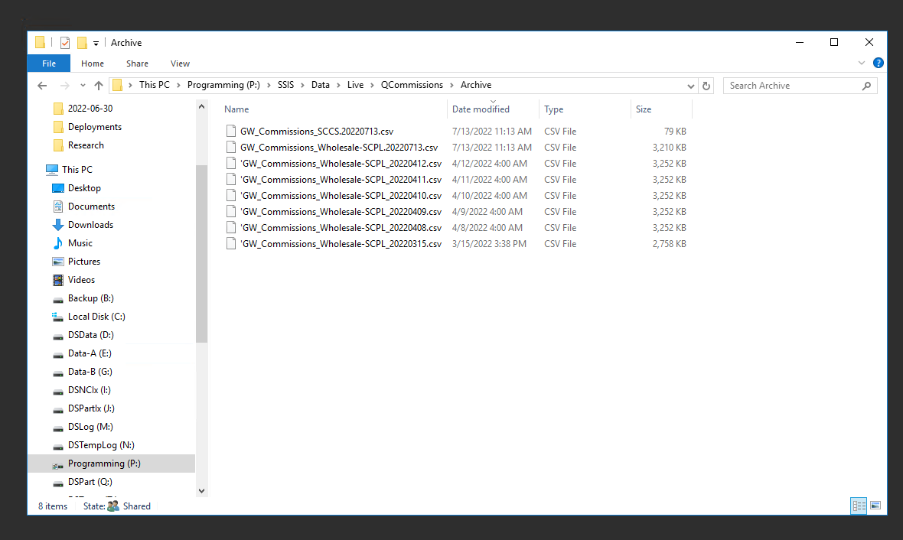
Justin Pope Dev Test
Test Case No. | 1
Process | execute SQL Job QCommissions
Test Consideration | 1) Access to SQL Server Management Studios
Test Condition |  | Data Used | How To Verify | Actual Results
Tasks
1 | Copy over modified QCommissionsSendFiles2.ps1
2 | run job QCommission job |  | Check directory: \\sql08\SSIS\Data\Live\QCommissions\Archive | ScreenShots
Verification
Test Cast Screens Shots Before and After

